ART
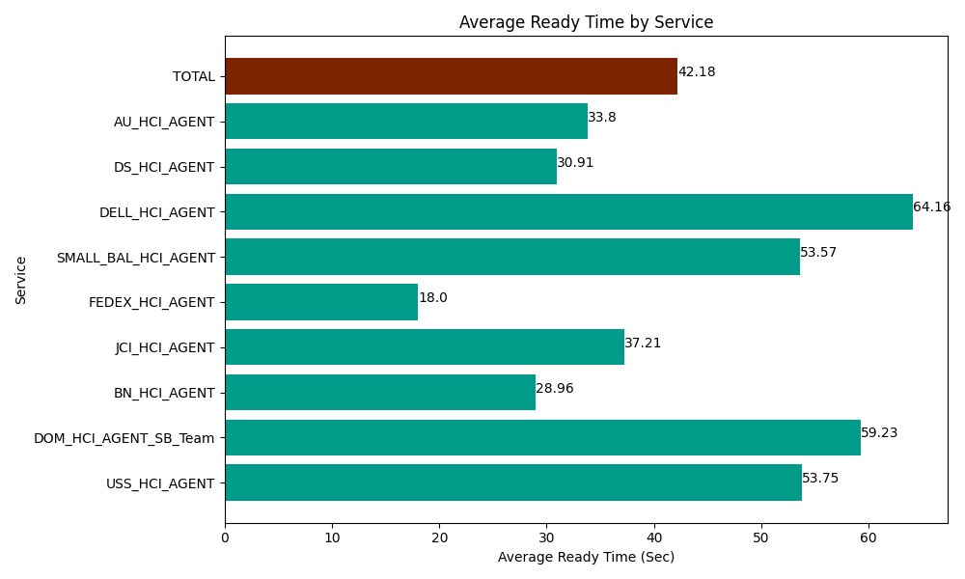
Date | Service | Successful Op Transfer | In Call (Sec) | Ready (Sec) | Wrapup (Sec) | Not Ready (Sec) | Average Ready Time (Sec)
06-18-2024 | USS_HCI_AGENT | 163 | 19351.199341 | 8761.2002563 | 36484.801025 | 10891.200256 | 53.75
06-18-2024 | DOM_HCI_AGENT_SB_Team | 49 | 3690 | 2902.1999359 | 7036.7999268 | 403.80000114 | 59.23
06-18-2024 | BN_HCI_AGENT | 1093 | 62746.201172 | 31657.800293 | 98703.00293 | 48387.000732 | 28.96
06-18-2024 | JCI_HCI_AGENT | 324 | 25216.799927 | 12055.799561 | 31377.000732 | 8625 | 37.21
06-18-2024 | FEDEX_HCI_AGENT | 1 | 96.000001431 | 18.000000715 | 13.199999928 | 166.19999886 | 18
06-18-2024 | SMALL_BAL_HCI_AGENT | 56 | 3298.7999725 | 3000 | 6796.1997986 | 3070.8000183 | 53.57
06-18-2024 | DELL_HCI_AGENT | 149 | 12502.199707 | 9559.2004395 | 56377.800293 | 24481.799927 | 64.16
06-18-2024 | DS_HCI_AGENT | 695 | 42316.201172 | 21482.999268 | 92313.00293 | 85886.99707 | 30.91
06-18-2024 | AU_HCI_AGENT | 217 | 17659.200439 | 7335 | 24172.800293 | 20581.799927 | 33.8
 | TOTAL | 2747 | 186876.60173 | 96772.199754 | 353274.60793 | 202494.59793 | 42.18

